Common
通用規則 | Common Rules

A | 背景圖 | Background

 | 底圖為 4:3 大小，根據手機螢幕尺寸調整顯示區域。
 | Background size is 4:3, adjust the display area according to the size of the mobile screen.
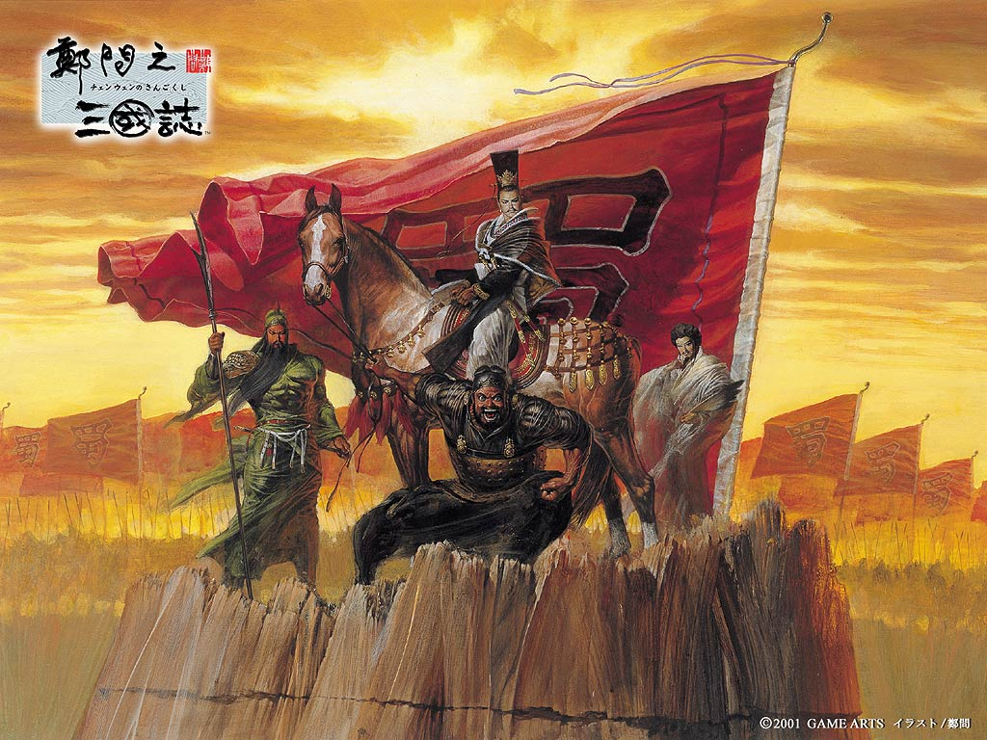
Tap To Start
 |  |  |  |  | 美術需求
 |  |  |  |  | 需求名稱 | 需求說明 |  | 備註
 |  |  |  |  | 無美術需求

點擊開始

你確定要執行這個操作嗎？
Cancel
OK
Are you sure to do this operation?
B | 確認框 | Confirmation box | 程式功能
 |  |  | Process | User | Program
 |  |  | 1 |  | Can't operate other UI

 |  |  | 2 | OK | Accept this operate

 |  |  | 3 | Cancel | Close Confirmation box

取消
確認
 |  |  | 美術需求
 |  |  | 需求名稱 |  | 特殊需求說明 |  | 備註
 |  |  | 確認框 - 外框
 |  |  | 確認框 - 底板
 |  |  | 按鈕 - 取消 |  | 狀態：未點擊、點擊
 |  |  | 按鈕 - 確認 |  | 狀態：未點擊、點擊

牌組已滿
OK
The deck is full
C | 訊息框 | Message box | 程式功能
 |  |  | Process | User | Program
 |  |  | 1 |  | Can't operate other UI

 |  |  | 2 | OK | Close Message box

Login
登入機制 | Login system

A | 登入畫面 | Login screen

Tap to Start
 |  |  |  | 程式功能
 |  |  |  | Process | User | Program |  | Dynamic
 |  |  |  | 1 |  | 顯示背景圖及「點擊開始」提示 Show background and "Tap to Start" image. |  | Tap to Start

 |  |  |  | 2 | 點擊畫面 Click screen | 建立玩家帳號 Create a player account.

 |  |  |  | 3 |  | 切換到遊戲下載畫面 Switch to Game Download screen

 |  |  |  | 美術需求
 |  |  |  | 需求名稱 |  | 特殊需求說明 | 備註
 |  |  |  | Tap to Start |  | 閃爍提示 (放大縮小效果，每秒縮小20%)
 |  |  |  | 讀取條
 |  |  |  | 讀取底板

B | 遊戲下載畫面 |  | Game Download screen
 |  |  |  | 程式功能
 |  |  |  | Process | User | Program
 |  |  |  | 1 |  | 改變背景圖、出現進度條 Change background, show progress bar

 |  |  |  | 2 |  | 根據進度顯示進度比例 Show percentage based on progress

 |  |  |  | 3 |  | 進度100%，切換至牌組介面 When the progress reaches 100%, switch to the Deck UI

100%

Deck
牌組機制 | Deck system
Deck name
戰鬥牌組
Battle Deck
Fight
Hero Name
英雄名稱
Hero Name
Hero Name
Hero Name
Hero Name
Hero Name
Hero Name
Tab
8/8
Card
Swipe
Swipe 刷動
ATK
DEF
10
10
Card type tab
A | 牌組介面 | Deck UI
 |  |  |  |  |  | 程式功能
 |  |  |  |  |  | Process | User | Program | Dynamic
 |  |  |  |  |  |  | Click | Back to the login screen

 |  |  |  |  |  | Card | Click | Open Card UI

 |  |  |  |  |  | Card Equip | Press | Pull up the card of tab | Tab card Scale 1.2x

 |  |  |  |  |  |  | Move | Move to the deck plane, auto place the deck | Card become a 1.2x deck card

 |  |  |  |  |  |  |  | Increase the number of deck cards

 |  |  |  |  |  | Deck Full |  | Show the message box "The deck is full"

 |  |  |  |  |  | Card Remove | Press | Pull up the card of deck | Deck card scale 1.2x

Deck cards number
戰鬥開始
 |  |  |  |  |  |  | Move | Move outside the deck plane, remove without pressing | Deck card become a 1.2x tab Card

 |  |  |  |  |  |  |  | decrease the number of deck cards
 | 美術需求
 | 需求名稱 |  | 特殊需求說明 | 備註 |  | Fight | Click | Switch to Match screen
 | 按鈕 - 返回上層 |  | 狀態：未點擊、點擊
 | 全介面 - 底板 |  | 與螢幕大小相同，共用
 | 頁籤 |  | 狀態：選取、未選取
 | 內框
 | 內框底板
 | 戰鬥牌組標題 |  | 美術字寫在內 (中：作戰牌組)
 | 橫卡片 - 外框 |  | 內有武將頭圖 (類似爐石)
 | Fight |  | 開始戰鬥按鈕，需較特別
 | 卡片 - 外框 |  | 卡片比例：高5.5、寬4
 | 卡片星星 |  | 68 * 64 (同多卡波)
 | 技能 - 外框 |  | 68 * 64 (紅、藍、綠)
 | 美術字 - ATK |  | 102 * 48 (中文：戰) |  | ※卡片上美術字的部分可增加半透明底板，減少辨識不清的狀況。
 | 美術字 - DEF |  | 102 * 48 (中文：守)
 | 美術字 - 數字 |  | 34 * 48 (數字 0 ~ 9，卡片用)
 | 按鈕 - 關閉介面 |  | 狀態：未點擊、點擊

Battle Deck
Fight
Hero Name
Hero Name
Hero Name
Hero Name
Hero Name
Hero Name
Hero Name
Hero Name
Tab
8/8
Card
ATK
DEF
10
10
升星
Skill
Icon
Skill Name
Skill description
two sentences
Card Name 卡片名稱
Hero Image
ATK
DEF
10
10
技能名稱
技能敘述
第二行
Skill
Icon
Rare
Hero
Swipe
B | 卡片介面 | Card UI
 |  |  |  |  |  | 程式功能
 |  |  |  |  |  | Process | User | Program | Dynamic
 |  |  |  |  |  | 1 |  | Show the Card UI (Can't operate Deck UI)

 |  |  |  |  |  | 2 | Swipe | Review the skill

 |  |  |  |  |  | 3 | Click Close | Close the Card UI

Card
Skill
Icon
Skill Name
Skill description
two sentences
Card Name
Hero Image
ATK
DEF
10
10
Skill Name
Skill description
two sentences
Skill
Icon
Rare
Hero
Swipe
卡片資訊 | Card information
 |  |  |  |  |  |  | ※本頁無美術需求
A | 戰鬥數值 | Battle value
 |  |  |  |  |  |  | Term | Formula |  | Content
 |  |  |  |  |  |  | ID | numder | int | for program
 |  |  |  |  |  |  | Group ID | numder | int | for same ID
 |  |  |  |  |  |  | Name ID | numder | int | Name string ID
 |  |  |  |  |  |  | Image ID | String | word | Card image ID
 |  |  |  |  |  |  | Card Type | value | bye | Not prototype funtion
 |  |  |  |  |  |  | Rare | value | bye | Card original rarity
 |  |  |  |  |  |  | ATK | value | int | Card attack value
 |  |  |  |  |  |  | DEF | value | int | Card defense value
 |  |  |  |  |  |  | Skill ID | numder | int | Available skills
 |  |  |  |  |  |  | Next Rare | value | int | Up to next rare cost

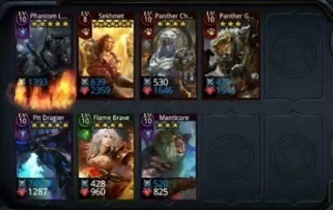
B | 戰鬥計算 | Battle calculation
 |  |  |  |  |  |  | ※Deck Heroes
 |  | Battle formula: Damage = ATK - DEF
 |  | Card retreat: When DEF = 0
 |  | Calculation rules:
 |  |  | 1. Battle against each other in the order of placement.
 |  |  | 戰鬥時根據放置順序進行兩方對戰。
 |  |  | 2. When the battle begins, both sides calculate damage at the same time.
 |  |  | 戰鬥開始時，兩邊同時計算傷害。
 |  |  | 3. If both sides die at the same time -
 |  |  | 如果兩方同時死亡 -
 |  |  |  | A. The side with the "Assault" skill wins.
 |  |  |  | 有先攻技能的一方獲勝。
 |  |  |  | B. If both sides have "Assault" skills, the side who placed the card first wins.
 |  |  |  | 如果兩方都有先攻技能，先放置卡片的一方獲勝。
 |  |  |  | C. If both sides have no "Assault" skills, the side who placed the card first wins.

C | 技能 | Skills

 |  | Skill rules: |  |  |  | Term |  | Formula |  | Content
 |  |  | 1. Carry up to 3 skills (Prototype has no replacement function) |  |  | ID |  | numder | int | for program
 |  |  | 最多攜帶3個技能。 |  |  | Name ID |  | numder | int | Name string ID
 |  |  | 2. Skills are automatically triggered in battle |  |  | Description ID |  | numder | int | Description string ID
 |  |  | 技能在戰鬥中自動觸發。 |  |  | Icon ID |  | String | word | Skill icon ID
 |  |  |  |  |  | Trigger effect |  | String | word | No art source
 |  |  |  |  |  | Skill type |  | value | int | Trigger function
 |  |  |  |  |  | Trigger rate |  | value | int | Percentage (%)
 |  |  |  |  |  | Type para1 |  | numder | int | Description {1}
 |  |  |  |  |  | Type para2 |  | value | int | Description {2}

C | 技能種類 | Skill type

 |  | Type name |  | Program | Note
 |  | Assault |  | Be the first place | If the side have more Assault skills, will be set up according to the order of placement
 |  | First Strike |  | Cause damage first | If opponent dead, opponent won't cause damge; If opponent survives, oppinent will cause damage.
 |  | Spread |  | The remaining ATK will hurt the next card
 |  | Blocks |  | The previous card will be injured and suffer this damage
 |  | Restore |  | Defeat the opponent will restore some DEF | Restore value is set by table.
 |  | Heal |  | Trigger when any opponent is defeated, restore the first DEF | Restore value is set by table.
 |  | ※The future will continue to increase.

Rare
升星功能 | Rare feature

A | 戰鬥數值 | Battle value
 |  |  | 程式功能
 |  |  | Process | User | Program |  | Dynamic
Card Name
Hero Image
ATK
DEF
10
10
Rare
Hero
Get New Skill
Skill
Icon
Skill Name
Upgrade need
X 1
Up
 |  |  | 1 | Click Rare | Switch to Rare UI

 |  |  | 2 | Swipe | Review the skill

 |  |  | 3 | Click Close | Close the Card UI

 |  |  | 美術需求
 |  |  | 需求名稱 |  | 特殊需求說明 | 備註
 |  |  | 空的星星
 |  |  | 升級標示
Hero Image
 |  |  | 按鈕 - 升級 |  | 狀態：未點擊、點擊

英雄圖像
升級

Match
配對機制 | Match system

A | 搜尋對手畫面 |  | Search enemy screen

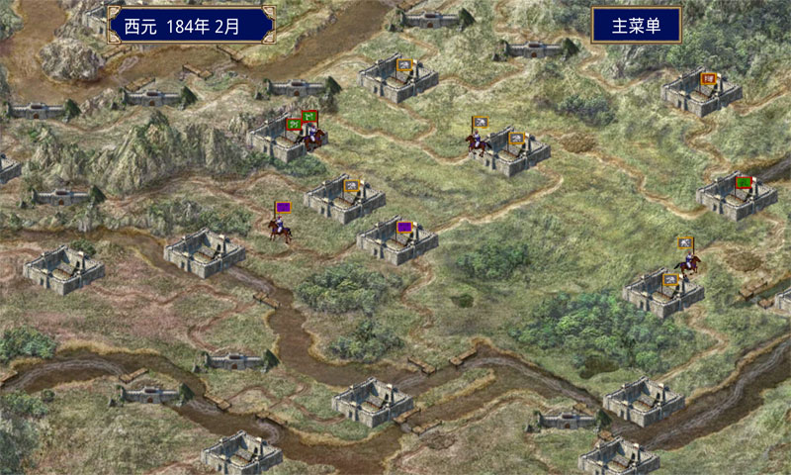
Search Enemy...
 |  |  |  | Process | User | Program |  | Dynamic
 |  |  |  | 1 |  | Change background

 |  |  |  | 2 |  | Show magnifier |  | Circle animation

 |  |  |  | 3 |  | Show the hint string "Search enemy…" |  | Repeat "…"

 |  |  |  | 4 | Click Cancel | Back to Deck UI

 |  |  |  | 5 |  | When search for 60s and no user operated, back to deck UI

搜尋對手
Cancel
 |  |  |  | 美術需求
 |  |  |  | 需求名稱 |  | 特殊需求說明 | 備註
 |  |  |  | 搜索標記 |  | 類似放大鏡的圖標
 |  |  |  | 命中標記 |  | 類似旗幟的圖標，做插旗效果

B | 找到對手畫面 |  | Find enemy screen

Find the Enemy!

 |  |  |  | Process | User | Program |  | Dynamic
 |  |  |  | 1 |  | Magnifier and Cancel button disappears

 |  |  |  | 2 |  | Show flag and put it in the screen middle |  | Object movement (2s)

 |  |  |  | 3 |  | Show the hint string "Find the Enemy!"

 |  |  |  | *All process almost 3 sec.

找到對手！

C | 讀取資料畫面 |  | Loading Data screen

 |  |  |  | Process | User | Program |  | Dynamic
 |  |  |  | 1 |  | Show progress bar

 |  |  |  | 2 |  | Show percentage based on progress

 |  |  |  | 3 |  | When the progress reaches 100%, switch to the Deck UI

 |  |  |  | 4 |  | Switch to Main Game screen

100%

D | 斷線畫面 | Connection broken screen

No Connection
連線中斷，重新連線嗎？
 |  |  |  | Process | User | Program |  | Dynamic
 |  |  |  | 1 |  | If connection is broken, show Confirmation box
Cancel
OK
Connection broken, reconnected?
 |  |  |  | 2 |  | Show the hint string "No Connection", Cancel button of screen disappears

 |  |  |  | 3 | Click OK | Close Confirmation box and try to connected

 |  |  |  | 4 | Click Cancel | Check server response, if true = Back to Deck UI, If fail = Back to login screen

沒有連線

MainGame
主遊戲 | MainGame

A | 決定起始順序 |  | Decide the starting order

Remain Hero
剩餘英雄數
設定
Setting
User Icon
使用者圖像
B | 操作流程 | Operating flow |  |  |  | 美術需求
 | B-1 | 開始 | Starting |  |  | 需求名稱 |  | 特殊需求說明 |  | 備註
 |  |  |  |  |  | 玩家資訊 - 底板 |  | 正在執行的人會有光暈
 |  |  |  |  |  | 玩家頭圖 - 外框 |  | 72 * 72
9
99
Player
P
9
99
Enemy
P
90
 |  |  |  |  |  | 對手頭圖 - 外框 |  | 72 * 72
 |  |  |  |  |  | Icon - 武將數 |  | 38 * 38
player info (Await)
Score
分數
 |  |  |  |  |  | Icon - 分數 |  | 38 * 38
player info (Present)
 |  |  |  |  |  | 分數 - 底板
Starting tile
起始板塊
 |  |  |  |  |  | 計時器 - 底板 |  | 紅色：玩家、藍色：對手
 |  |  |  |  |  | Icon - 計時器 |  | 68 * 64
Road
 |  |  |  |  |  | 按鈕 - 設定
City
 |  |  |  |  |  | 板塊數量 - 底板 |  | Tile Deck
當前板塊
Current Tile
 |  |  |  |  |  | Icon - 板塊 |  | 68 * 64
 |  |  |  |  |  | 當前板塊 - 底板 |  | Current Tile
 |  |  |  |  |  | ※下面還有美術需求

40
Tile Deck
板塊牌組

9
99
Player
P
9
99
Enemy
P
39
Draw tile animation
89
 | B-2 | 抽取板塊 | Draw a tile
 |  |  |  |  |  | Tile Deck Rules:
 |  |  |  |  |  | 1. There are a total of 72 tiles (load all the tiles in the folder).
 |  |  |  |  |  | 2. Each MainGame randomly draws 40 tiles for the gaming (not include the starting tile).
 |  |  |  |  |  | 3. The starting tile must be drawed every MainGame and automatically placed on the map by the system.
 |  |  |  |  |  | 4. When the tile deck is 0, the game ends.

 | B-3 | 顯示板塊放置位置 |  | Display tile place position
9
99
Player
P
9
99
Enemy
P
39
Tile place position
可放置板塊位置
88

 |  |  |  |  |  | 美術需求
 |  |  |  |  |  | 需求名稱 |  | 特殊需求說明 |  | 備註
 |  |  |  |  |  | 可放置板塊標記 |  | 被選取時會有光暈 (圖1) |  | Tile place position
 | B-4 | 移動板塊 | Moving the tile (The camera needs to follow the move) |  |  | 板塊操作 - 底板
9
99
Player
P
9
99
Enemy
P
39
Press & move
83
 |  |  |  |  |  | 按鈕 - 旋轉 |  | 狀態：未點擊、點擊
 |  |  |  |  |  | 按鈕 - 確認 |  | 狀態：未點擊、點擊
Selected - Tile around
(sensing area = frame 1.5x)
 |  |  |  |  |  | 圖1 |  | ※下面還有美術需求
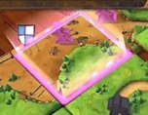

 | B-5 | 放置板塊 | Placing the tile (Unpress when not selected, the tile return to current tile frame) |  |  | 重新移動板塊 |  | Re-moving the tile (The camera needs to follow the move)
39
9
99
Player
P
9
99
Enemy
P
unpress & attach
(Camera focus)
Jump in
animation
82
39
9
99
Player
P
9
99
Enemy
P
press & draw
Push out
animation
82

 | B-6 | 確認板塊設置 |  | Confirmation the tile settings (No double check) |  | 調整板塊方向 |  | Adjust the direction of the tile
39
9
99
Player
P
9
99
Enemy
P
Click to Confirm
按下確認
81
39
9
99
Player
P
9
99
Enemy
P
Click to turn right
(Need to be attach)
81

 | B-7 | 顯示武將駐守位置 |  | Display the hero card position |  |  | 檢視武將卡片 |  | Review the hero card
9
99
Player
P
9
99
Enemy
P
Jump in
animation
39
Push out
animation
Hero card position
英雄卡放置點
Push out
animation
Push out
animation
Jump in
animation
80
 |  |  |  |  |  | 美術需求
 |  |  |  |  |  | 需求名稱 |  | 特殊需求說明 |  | 備註
 |  |  |  |  |  | 可放置英雄標記 |  |  |  | Hero card position
 |  |  |  |  |  | 回合結束 - 底板 |  |  |  | Round end button
 |  |  |  |  |  | 按鈕 - 回合結束 |  | 狀態：未點擊、點擊
 |  |  |  |  |  |  | ※下面還有美術需求

 | B-8 | 檢視武將卡片 |  | Review the hero card
9
99
Player
P
9
99
Enemy
P
75

long press 2 seconds
長按兩秒

 | B-9 | 放大武將卡片 |  | Review the hero card (If you move the card out of the deck, go to the move step (B-10))
9
99
Player
P
9
99
Enemy
P
75

ATK
DEF
10
10

Still press
持續按住

 | B-10 | 移動武將卡片 |  | Moving the hero (Unpress when not selected, the hero card return to deck) |  |  | 確認回合結束 |  | Confirmation the round end
9
99
Player
P
9
99
Enemy
P
Hero
Icon
Press & move
75
9
99
Player
P
9
99
Enemy
P
75

If cancel the move, the button return
Selected - Hero around
(sensing area = circle 2x)
push out
animation
Click the round end button

 | B-11 | 顯示駐守武將 |  | Display the set hero (can't adjust the hero setup) |  |  | 重複確認回合結束 |  | Re-confirmation round end
9
99
Player
P
9
99
Enemy
P
unpress & Setup
Size scale 1.5x
74
9
99
Player
P
9
99
Enemy
P
74

When click "OK", the button push out.

9
99
Player
P
9
99
Enemy
P
90
 | B-12 | 進入下一回合 |  | Next round (show the enemy round) |  | 美術需求
 |  |  |  |  |  | 需求名稱 |  | 特殊需求說明 |  | 備註
 |  |  |  |  |  | 圓形武將 - 外框 |  | 和玩家、對手外框顏色相同
Change panel color
更換底板顏色
 |  |  |  |  |  | 回合輪替 - 底板

jump in
animation
Round
Enemy

jump in
animation
39

C | 佔領判斷及計分 |  | Occupation judgment and scoring
 | C-1 | 道路計分 | Road scoring

 |  | 1. 當道路兩端有節點時，此道路視為被截斷 (隔離)。
 |  | When there are nodes at both ends of the road, the road road is cut off (separated). (Red box mark separated road)

 |  | 2. 下面的五張板塊都有節點 。(紅圈標示節點)
 |  | The five tiles below all have nodes. (Red circles mark nodes)

 |  | 3. 截斷道路後，會進行佔領判斷。 |  |  | Owner judgment
 |  | When the road is separated, will judge the ownership. |  |  | No hero on the road: No player hold the road
 |  |  |  |  | One-sided hero on the road: One-sided player hold the road
 |  | 4. 佔領判斷後，武將會回到玩家手上。 |  |  | Two-sided hero on the road: Trigger battle, winner hold the road
 |  | After the owner judgment, hero will return to the player's hand.

 |  | 5. 佔領道路會標示玩家圖示。
 |  | The hold road will mark the player icon.

 |  | 6. 每佔領1個道路板塊可獲得1分。
 |  | Get 1 point for every 1 road tile hold.

 | C-2 | 城堡計分 | Castle scoring

 |  | 1. 當城堡結合完成時，此城堡視為已完成。
 |  | When the castle tiles are combined into a castle, the castle is completed). (Red box mark completed castle)

 |  | 2. 城堡完成後，會進行佔領判斷。 |  |  | Owner judgement
 |  | When the castle is completed, will judge the ownership. |  |  | No hero on the castle: No player hold the castle
 |  |  |  |  | One-sided hero on the castle: One-sided player hold the castle
 |  | 3. 佔領判斷後，武將會回到玩家手上。 |  |  | Two-sided hero on the castle: Trigger battle, winner hold the castle
 |  | After the owner judgment, hero will return to the player's hand.

 |  | 4. 佔領城堡會標示玩家圖示。
 |  | The hold castle will mark the player icon.

 |  | 5. 每佔領1個城堡板塊獲得2分。
 |  | Get 2 point for every 1 castle tile hold.

 | C-3 | 箭塔計分 | Arrow tower scoring

 |  | 1. 箭塔只會在遊戲結束時計分。(放置於上面的武將無法回到手上)
 |  | The arrow tower will only score at the end of the game. (The hero placed on it cannot return to the hand)

 |  | 2. 箭塔周圍每連接1個板塊可獲得1分。
 |  | Get 1 point for each tile connected to the tower.

 |  | 3. 箭塔周圍板塊發生戰鬥時，駐守在箭塔的武將會參與戰鬥。
 |  | When the tile around the tower triggers the battle, and the hero placed in the tower will join the battle.

D | 簡略戰鬥演出 |  | Simple battle perform (on the board)

Tile
板塊設定 | Tile Setup | 板塊設定 | Tile Setup

 |  | A | 英雄放置位置 |  | Hero card position
 |  |  |  | 8 |  | 7 |  | 12 | 14 | 20

 |  |  |  | 19 |  | 13 |  | 18 | 10 | 15

 |  |  |  | 16 |  | 6 |  | 17 | 9

 |  |  |  | 1 |  | 3 |  | 5 | 11

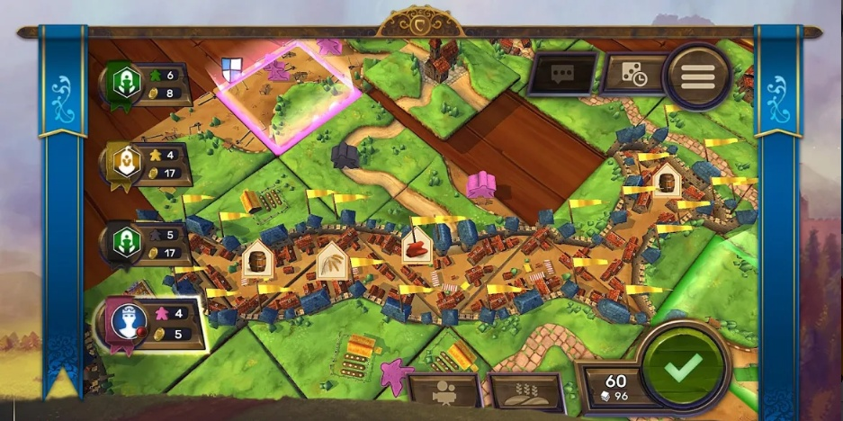
 |  |  | 美術需求 |  |  | ※共有18種板塊模型需要製作 (可與多卡波板塊大小相同)
 |  |  |  | 箭塔 (木製) |  |  | 3D模型效果：畫面拉到最近時的大小
 |  |  |  | 草地

 |  |  |  | 城牆 (石頭)
 |  |  |  | 城門 (木製)
 |  |  |  | 房屋 (木製)

 |  |  |  | 道路 (泥土)
 |  |  |  | 石頭

 |  |  |  | 城寨 (木製)

 |  |  | ※道路連接時需要變色 (自己、對手)
 |  |  | ※建築連接時屋頂需要變色 (自己、對手)

BattlePerform
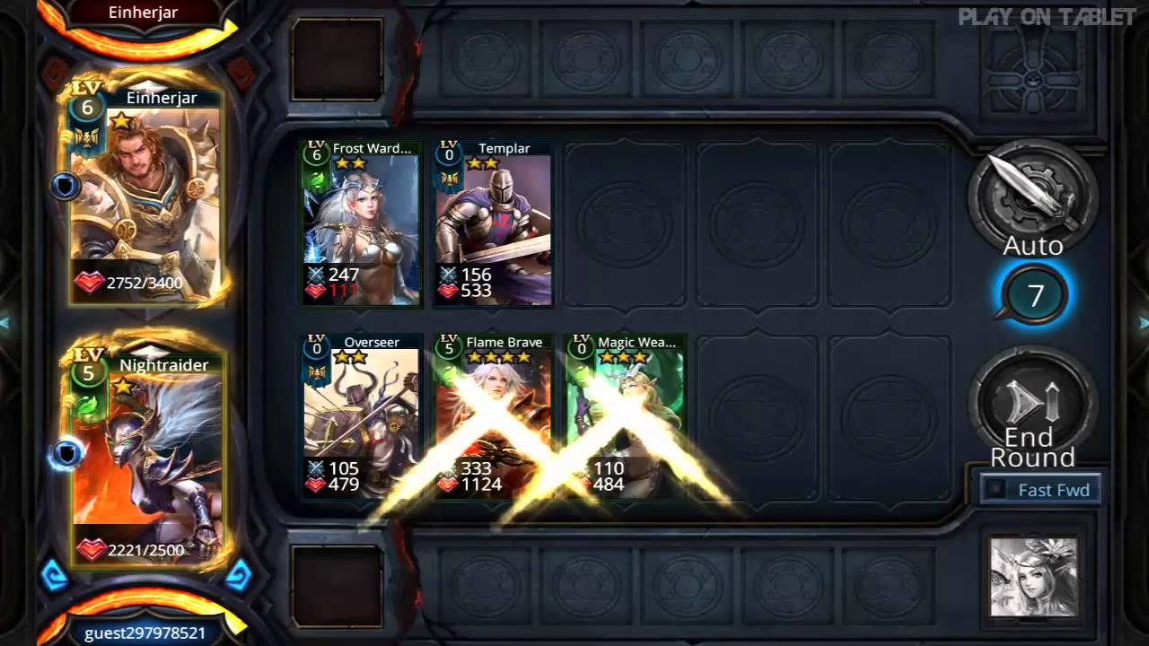
※本頁尚未製作，無美術需求

Result
結算機制 | Result system

9
99
Player
P
9
99
Enemy
P
WIN
90
 |  | 美術需求
 |  | 需求名稱 | 特殊需求說明 | 備註
 |  | Win | 華麗的旗幟 (中文：勝利) | 可參考爐石
 |  | Defeat | 破碎的旗幟 (中文：戰敗) | 可參考爐石
Player name
 |  | Icon - 道路 | 68 * 64
Player
Icon
99
99
99
分
999
 |  | Icon - 城鎮 | 68 * 64
Round
Road
City
Tower
 |  | Icon - 箭塔 | 68 * 64
Enemy
 |  | Icon - 總分 | 68 * 64
Player name
 |  | 美術字 - 數字 | 34 * 48 (數字 0 ~ 9，計分用)
Enemy
Icon
路
99
城
99
塔
99
分
999
 |  | 按鈕 - 關閉 | 狀態：未點擊、點擊
Click anywhere can close result UI
Hold value
持有數
Back to Deck UI
返回牌組介面
Close
39
點擊任意處可關閉結果介面

9
99
Player
P
9
99
Enemy
P
DEFEAT
90

Player name
Player
Icon
路
99
城
99
塔
99
分
999
Round
Enemy
Player name
Enemy
Icon
路
99
城
99
塔
99
分
999

Close
39

